Dashboard
ANPR – Motorcycle & Scooter Analysis Report
Source: export_15.10.2026.xlsx | Motorcycle & Scooter only; case photos are preserved.

Total Cases |  | Scooter Cases |  | Motorcycle Cases
148 |  | 86 |  | 62

Matched Photo Cases |  | Unmatched Photo Cases
145 |  | 3

Vehicle Type Distribution |  |  | Average Confidence Comparison
Vehicle Type | Cases |  | Vehicle Type | Cases | Vehicle Confidence | OCR Confidence | Plate Detection
Scooter | 86 |  | Motorcycle | 62 | 0.499 | 0.178 | 0.272
Motorcycle | 62 |  | Scooter | 86 | 0.526 | 0.221 | 0.312

Recognition Status
Vehicle Type | Low confidence | No plate | Recognized | Unreadable
Motorcycle | 9 | 44 | 4 | 5
Scooter | 8 | 56 | 12 | 10

Direction Summary
Vehicle Type | Both ways
Motorcycle | 62
Scooter | 86

Key Findings & Notes
• Scooter cases: 86; Motorcycle cases: 62.
• Average confidence (Vehicle / OCR / Plate Detection): Motorcycle 0.499 / 0.178 / 0.272; Scooter 0.526 / 0.221 / 0.312.
• Recognized rate: Motorcycle 4/62 (6.45%); Scooter 12/86 (13.95%).
• No plate is the most frequent recognition status for both vehicle types.
• All Motorcycle and Scooter records in this export have Direction = Both ways.
• Photo-folder matching: 159 matched cases and 3 unmatched cases. The three unmatched case folders were not found in the supplied dataset.
• Interpretation note: “No plate” means the system did not detect/recognize a plate in that record; it does not prove the vehicle had no physical plate.

ADDITIONAL ANALYSIS – MOTORCYCLE & SCOOTER

Average Consistency Score |  |  | Plate Format Validation (48 available) |  |  | Data Quality
Vehicle Type | Average Consistency |  | Vehicle Type | NO | YES | Total cases | 148
Motorcycle | 0.133 |  | Motorcycle | 4 | 14 | Plate Format Valid missing | 100
Scooter | 0.178 |  | Scooter | 4 | 26 | Plate Format Valid available | 48
 |  |  |  |  |  | Matched photo cases | 145
 |  |  |  |  |  | Unmatched photo cases | 3
Recognition Status Percentage
Vehicle Type | Low confidence | No plate | Recognized | Unreadable
Motorcycle | 14.52% | 70.97% | 6.45% | 8.06%
Scooter | 9.30% | 65.12% | 13.95% | 11.63%
Vehicle Type Case Count

Recognition Status by Vehicle Type
Average Confidence Comparison
Average Consistency Score

Plate Format Validation (Available Cases)

ANPR Cases
Event UUID | Vehicle Type | Plate | OCR Confidence | Full Image | Vehicle Image | Match Status
3a1609b6-24f2-470a-bd52-54548de361d2 | Scooter |  | 0 | 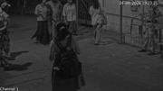 |  | Matched
0f509ad2-9b9f-4f37-a51f-a5ee92fe9c7c | Scooter |  | 0 |  |  | Matched
b2d3be56-0d11-46bf-9148-ea6f57992b70 | Scooter |  | 0 |  |  | Matched
b7d12455-6e3f-4fc6-a933-14dcf1ec0f9e | Scooter |  | 0 | 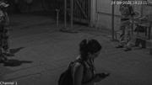 |  | Matched
98419551-fd73-41e3-a4e8-a718974d925c | Scooter |  | 0 | 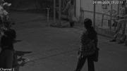 |  | Matched
71057970-d4c0-4e30-851a-0765dbaee681 | Scooter |  | 0 | 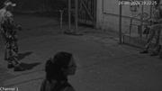 |  | Matched
5701f971-758d-44ef-b4b4-a4cb347c5281 | Scooter |  | 0 | 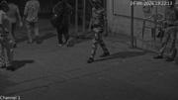 |  | Matched
0b841efd-fb4f-44cf-b72e-07469993209e | Scooter |  | 0 | 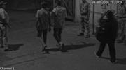 |  | Matched
e5dfd2f1-0036-44fa-8f89-80928f3937a7 | Scooter |  | 0 | 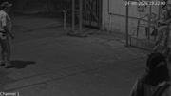 |  | Matched
8fa3110d-83b2-4c08-8e12-db5882c3ddbf | Motorcycle |  | 0 | 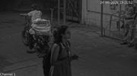 |  | Matched
833b36ce-7b9e-434e-9a1f-242cbe60636a | Scooter | MH03EP6222 | 0.67092335224 | 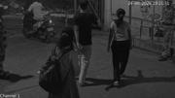 | 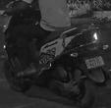 | Matched
be964803-a5b4-4181-92b5-43d427f44443 | Scooter |  | 0 | 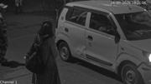 |  | Matched
d9137b52-11fe-41a6-9113-08c7ee667b22 | Scooter |  | 0 |  |  | Matched
d220990d-4120-46b4-ac23-eb90be528a18 | Scooter |  | 0 |  |  | Matched
80f23e45-c426-4f08-b5ee-98de3f08ae89 | Scooter |  | 0 | 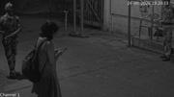 | 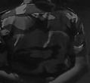 | Matched
e23c9e69-16e8-4122-bb9d-a50f7dd3fc0a | Motorcycle |  | 0 | 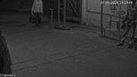 |  | Matched
62f89ce9-7b2e-4eb9-96ae-bde4376e5390 | Motorcycle | MH03EC1726 | 0.690751791 |  |  | Matched
a6a973db-38af-411a-8f59-e2aec0c0b9e1 | Scooter |  | 0 | 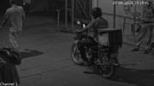 |  | Matched
d3890170-995c-4408-b8e8-0424f8beaa1d | Scooter |  | 0 | 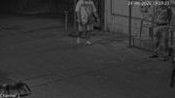 | 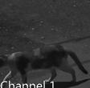 | Matched
e0821616-9f64-45d4-b0a0-247c4fe22d95 | Scooter | MH0MFC4478 | 0.46941956878 |  |  | Matched
6a1922fb-8c8c-4eca-a048-529478203372 | Scooter | MH01FC4478 | 0.62064135075 | 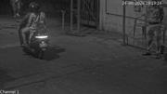 |  | Matched
bcc03f72-14b2-4acf-93b7-9504a40eefe1 | Motorcycle |  | 0 | 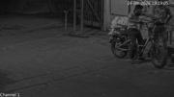 | 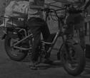 | Matched
6151d541-d959-4aca-9361-ea0ae063760f | Motorcycle |  | 0 | 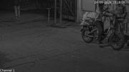 | 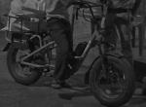 | Matched
0214ec3f-de6d-48fa-ba57-22254d7cee4d | Scooter |  | 0 | 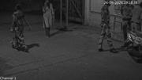 | 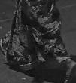 | Matched
2ad23b7f-8729-4e71-9d65-d4bc814f2094 | Scooter |  | 0 | 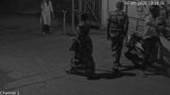 |  | Matched
1916b87e-e173-456c-ba0c-960cdfcc109a | Scooter | MH118602 | 0.33604210615 | 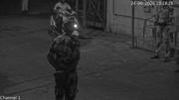 | 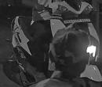 | Matched
7230b451-6fcf-487d-a6f4-ea78669686e4 | Scooter | LR0B23 | 0.55128836632 | 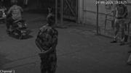 | 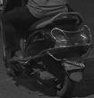 | Matched
59d1d4d1-41c8-4142-8e98-cd5cb0fb42ad | Scooter |  | 0 | 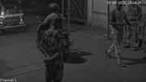 |  | Matched
52b786a8-b503-4013-b478-e5b2267754ad | Scooter | MH8D2510 | 0.47356495261 | 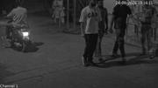 |  | Matched
c89a879f-7c3f-402f-ade2-53a4be661eae | Scooter | MH46DB1426 | 0.71278721094 | 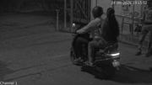 | 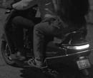 | Matched
aaa1bac2-ddf1-4839-acc0-76e298888043 | Motorcycle |  | 0 | 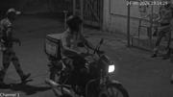 | 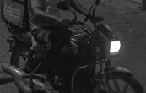 | Matched
2feb28bc-9dc9-4015-896d-0cbba9c961c9 | Scooter |  | 0 | 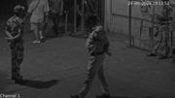 | 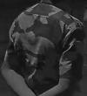 | Matched
49033f48-e566-4f30-a24e-680767438a6e | Motorcycle | MK01FC3809 | 0.86016201973 | 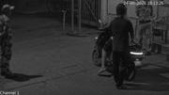 | 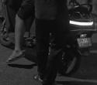 | Matched
b32b6ca8-0577-46dc-8ede-28110858eaa6 | Motorcycle |  | 0 | 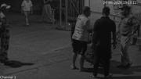 | 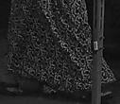 | Matched
87be74da-9f7b-4f19-a9b1-5307b90d180d | Motorcycle |  | 0 | 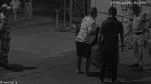 |  | Matched
036787f6-2956-4f0a-a409-c675607e00ad | Scooter | MN01E3309 | 0.28131571412 | 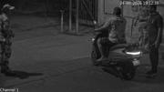 | 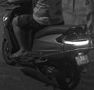 | Matched
fc06809c-ee11-4f86-9c6a-a1122c1f729a | Scooter |  | 0 | 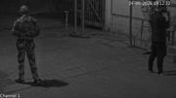 |  | Matched
e5c171e1-ba65-45d8-9275-0bced5af2d85 | Scooter | MMH0IBX7485 | 0.67603331804 | 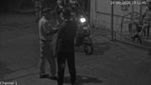 |  | Matched
4c3c7605-020a-4f10-a1ef-e0bb179eca33 | Scooter | MH01BX7486 | 0.94049870968 |  |  | Unmatched
b191b638-abc9-44c6-8779-65421f29190a | Scooter | MH4LRD8223 | 0.31633406878 | 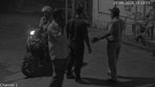 |  | Matched
45c7c12c-09b4-46f3-b758-b41b35a8363b | Scooter | MH044003 | 0.29034855962 | 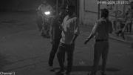 |  | Matched
cff8441d-9603-4881-b678-f6c3e7f1fb9b | Scooter |  | 0 | 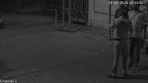 |  | Matched
11d0c62f-fe0b-458e-9f5c-8e5d84785f8f | Scooter |  | 0 | 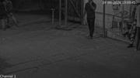 |  | Matched
b516165d-bda2-4ac2-9584-e0e69a6021d6 | Scooter |  | 0 |  |  | Matched
2a7be19f-8943-40c8-97fe-3fa4614fa6b6 | Scooter |  | 0 |  |  | Matched
360219a1-03b7-4ebd-845e-2e40686d4f42 | Scooter | MH03DZ5010 | 0.6305770874 |  |  | Matched
5ad33924-bdcd-4be8-9830-9250b13e4c3e | Scooter |  | 0 |  |  | Matched
4b0e4374-1201-4ac0-b692-5c0689ff8015 | Scooter | 25D52501D | 0.394420892 |  |  | Matched
b3c93741-0600-42c2-b64e-2f3348a68f79 | Scooter |  | 0 |  |  | Matched
acfe480c-5e4e-4158-9df5-96b2e6b1dbf6 | Scooter | MH03DR6228 | 0.76602780819 |  |  | Matched
b06d98be-fa3a-4062-9388-1389e656dc9b | Scooter |  | 0 |  |  | Matched
561fd42d-513e-4623-993b-31f69c1253ed | Motorcycle |  | 0 |  |  | Matched
e1ab3e30-25bc-41f7-bd7a-44d1cd4ff5e1 | Scooter |  | 0 |  |  | Matched
3761d9da-9223-471c-b82c-a762df06b1d3 | Motorcycle | 3 | 0.44999432564 |  |  | Matched
993adb2b-b907-4b37-9101-577de053eda4 | Scooter |  | 0 |  |  | Matched
b07179ea-b515-4ae3-92c7-70f5c560909c | Motorcycle | UP93CK9295 | 0.87179970741 |  |  | Matched
664fbfe4-d356-42cc-9f9e-9f6cd3ef078b | Scooter | MH03DR6228 | 0.77270901203 |  |  | Matched
e7398f6c-733b-479d-81cf-e54d8440a000 | Scooter |  | 0 |  |  | Matched
7057e3f9-ac5c-40aa-8c2a-ae325a67809b | Scooter |  | 0 |  |  | Matched
b06bf7b8-ed64-411f-b50c-19400f560280 | Motorcycle | D744445 | 0.28335267305 |  |  | Matched
4711d22c-3646-43cb-94f6-a92f1d44410a | Motorcycle |  | 0 |  |  | Matched
bead767a-c4e1-4829-892b-53140e677ddc | Motorcycle |  | 0 |  |  | Matched
469a48f8-04dd-411b-a694-22154b88dff0 | Motorcycle | MH12RR6680 | 0.56024080515 |  |  | Matched
2f0a5a95-fd6f-4199-961a-baee33f2bb48 | Motorcycle |  | 0 |  |  | Matched
8834e341-7f16-49c0-943b-ffc790775197 | Motorcycle |  | 0 |  |  | Matched
7ed806dd-2453-4b6d-9092-e67b08002a92 | Scooter | MP01DF6575 | 0.51208144426 |  |  | Matched
3ae3dd82-1709-43d3-8712-8d86952b4969 | Motorcycle |  | 0 |  |  | Matched
4554323e-b0a6-4f97-88c2-80ac9b62dbb1 | Motorcycle |  | 0 |  |  | Matched
e8e5bffe-c615-4b04-b467-8033d766f861 | Motorcycle |  | 0 |  |  | Matched
984692dc-512e-4423-84ec-97d187e27bfd | Motorcycle | MH01EX2677 | 0.98254424334 |  |  | Matched
2c1d4be2-816d-4461-b3df-c7bd8b925fa4 | Scooter |  | 0 |  |  | Matched
d903a539-03a6-43ae-a6a7-91a4a581fa48 | Scooter | MH12TX0592 | 0.76311588287 |  |  | Matched
e5a30a58-7fcb-4d5b-9487-e790c1216c1e | Motorcycle |  | 0 |  |  | Matched
9f92efac-cb1e-4306-977d-1b7d135f16bd | Motorcycle |  | 0 |  |  | Matched
751729ee-99fd-4005-9bd9-23198de5fe26 | Motorcycle |  | 0 |  |  | Matched
18136eb7-6b95-46e1-b8c5-0d3ce5f95a6e | Scooter |  | 0 |  |  | Matched
0b828b72-105b-4145-8d60-0e1a34925efd | Scooter |  | 0 |  |  | Matched
d70afe70-d503-45e2-8640-97889776bb9c | Motorcycle | 29BH0598B | 0.56941866875 |  |  | Matched
1190f6cb-58a4-4f4d-b3fe-e6ff21942dc9 | Motorcycle | 25BH0593B | 0.51488256454 |  |  | Matched
a53354a2-873d-4211-8514-92920cb5c7f7 | Scooter |  | 0 |  |  | Matched
4dd5686c-a6a7-4736-bf16-edf8dbf56d7c | Scooter | MH03EW5480 | 0.53813844919 |  |  | Matched
69d1e47b-71e7-4c39-9fbc-17d0f47f8e14 | Motorcycle |  | 0 |  |  | Matched
a03b34cd-e836-47f9-a82d-d661f566e55b | Scooter |  | 0 |  |  | Matched
23aa187b-2b28-4cea-93f5-bb37ac4963e6 | Scooter |  | 0 |  |  | Matched
b1d3b5ce-d3be-46dc-9988-2cf86f72ffd2 | Scooter |  | 0 |  |  | Matched
ae881789-7c18-4a74-b613-dbf912faf872 | Scooter |  | 0 |  |  | Matched
08d9be02-eeae-4a87-9fee-7dc18689a667 | Scooter |  | 0 |  |  | Matched
4721ceb1-abb0-46e0-b7e2-b2ed89283e7a | Scooter | MH03EW5480 | 0.7599978447 |  |  | Matched
692f61d8-b5af-4533-8575-612e3f284e37 | Motorcycle | MH3EM6591 | 0.56191217899 |  |  | Matched
b5b3f884-f917-47cc-9d53-31a47e9d870f | Motorcycle | MH03EV6591 | 0.67457544804 |  |  | Matched
29e88d4e-ff21-4964-b9df-65ff242beb1f | Motorcycle |  | 0 |  |  | Matched
ebfd75de-da28-4408-82ea-5c9f46f47b28 | Motorcycle |  | 0 |  |  | Matched
0b98fe4f-30f0-482f-98d7-41bac00123bc | Scooter |  | 0 |  |  | Matched
881eee9b-bd92-4503-92fe-f20085cf0658 | Scooter | TN10CC3925 | 0.99223297834 |  |  | Unmatched
0e11b4ff-106e-4055-9084-7c112aaa2938 | Scooter |  | 0 |  |  | Matched
b91dfde1-2205-498c-95ff-7cc7f6bfc4e9 | Motorcycle |  | 0 |  |  | Matched
412c77be-a0f3-4f2e-863c-66952dc31f03 | Scooter |  | 0 |  |  | Matched
de84edd7-05a2-4cca-a473-18d8de6c7c99 | Scooter |  | 0 |  |  | Matched
477e90b6-f173-4be5-abe4-4107b2143239 | Scooter |  | 0 |  |  | Matched
673a3d7f-b051-44c0-886a-cd9b3d58d087 | Motorcycle |  | 0 |  |  | Matched
556167ae-fcc3-4a81-a45d-4c93f20ac278 | Scooter |  | 0 |  |  | Matched
ba1cf12c-c090-4dab-828f-5f6574c3f4f0 | Scooter | H4019810 | 0.95507735014 |  |  | Matched
62495788-d17e-43ee-a092-1d895647b73d | Scooter | MH01BH8810 | 0.95474386215 |  |  | Matched
4d16900a-b3f5-40dc-ac31-ceb611743304 | Motorcycle | MH03DT3749 | 0.63891458511 |  |  | Matched
bfc74c38-59b4-4f3b-ba45-bdf2102767a1 | Scooter |  | 0 |  |  | Matched
839c4a1c-0460-41f2-bdce-613645349560 | Scooter |  | 0 |  |  | Matched
b3f3976a-80f1-48fb-b298-406750656d80 | Motorcycle |  | 0 |  |  | Matched
9bfd2966-35b8-4010-8188-84e60e370355 | Motorcycle |  | 0 |  |  | Matched
f3dc0d18-79b5-43d8-a730-5bf456d06504 | Motorcycle |  | 0 |  |  | Matched
2f8f5ae3-f065-4472-abe0-0bf7ff4078e0 | Motorcycle |  | 0 |  |  | Matched
71b596ff-93d3-4236-a992-62da4d7b543a | Scooter |  | 0 |  |  | Matched
60a878e9-7bd4-48f5-b2c2-efad1279c6f2 | Scooter |  | 0 |  |  | Matched
6695fe7b-66de-46b2-95d8-ddcdb52a63f3 | Scooter |  | 0 |  |  | Matched
b0b0ab7b-3af5-4bf8-9853-ce1e750a7fcd | Scooter |  | 0 |  |  | Matched
799beda6-6aaf-403f-8ab2-a9ce4c58f26e | Motorcycle |  | 0 |  |  | Matched
296f0c86-9bee-4b9b-bee3-1a8b3083d1ee | Scooter |  | 0 |  |  | Matched
796dcb6e-ffc2-459b-963c-bc1c689ec00c | Motorcycle | MH138085 | 0.32099801302 |  |  | Matched
df8dbd46-1f0d-4930-8765-84d8a78ca00b | Motorcycle |  | 0 |  |  | Matched
ba54569a-e1f6-4b6e-863c-b89e44e56ccb | Scooter |  | 0 |  |  | Matched
e358e083-7f7a-4251-a469-669e73c18a0c | Scooter | MH03CZ0797 | 0.64783543348 |  |  | Matched
b2a2a134-e848-4460-8c51-29ea5dcbb9d5 | Scooter | MH03D0575 | 0.93481445312 |  |  | Unmatched
458d29d1-d33a-466a-a94f-3baeefd9b02a | Motorcycle |  | 0 |  |  | Matched
5c6050d0-1342-4df1-96f5-e3ddb2d33536 | Motorcycle |  | 0 |  |  | Matched
b491a6c8-6596-4eb1-9fe9-065b26a2e4bc | Scooter | MH01EW4090 | 0.76392459869 |  |  | Matched
ef7a986e-8997-4d0a-8b81-fc80777e7e67 | Scooter | MH02GU8757 | 0.79465025663 |  |  | Matched
21344f75-6844-4934-87c6-5e3433ad5160 | Scooter | MH03BZ6818 | 0.77617669106 |  |  | Matched
5ede9b65-e5bd-4d52-a85a-635b8f039e69 | Scooter | I2222333 | 0.36466977 |  |  | Matched
2d4cbf96-68d9-445d-8893-c290d7f49433 | Motorcycle | MP15NH6694 | 0.78807085752 |  |  | Matched
b9f87c33-df16-4454-bf90-1ced455c82e8 | Motorcycle |  | 0 |  |  | Matched
f816a91b-aff4-4450-823f-00cba5b246ef | Scooter | MH03ON4744 | 0.38380232453 |  |  | Matched
c92fbbbd-13ba-4b28-8297-28401055bd6c | Motorcycle | 2SGA4311 | 0.36216753721 |  |  | Matched
11aa1cb4-a972-4334-a9a5-245db321cb54 | Scooter |  | 0 |  |  | Matched
ed804c2b-7ee7-4a79-b172-5207e721e2e6 | Motorcycle | MH03DH3989 | 0.63899129629 |  |  | Matched
1bfb4e3a-d0b2-4259-8ec6-de89ed8d29cc | Motorcycle |  | 0 |  |  | Matched
ec25bfe1-80d6-4429-b3f3-65d4053d3ee8 | Motorcycle | MH04MD1554 | 0.49685898423 |  |  | Matched
d897f274-7cf2-43f1-aef8-1e9554e0e4b6 | Scooter |  | 0 |  |  | Matched
53285000-c30a-4511-a4a9-160921b1bc7a | Motorcycle | MH03EU6015 | 0.76570814848 |  |  | Matched
7ac801b0-003a-4df8-9ee3-da9107c00a0d | Motorcycle |  | 0 |  |  | Matched
130b329e-f3c8-40ec-a633-e537fc0c7ec9 | Motorcycle |  | 0 |  |  | Matched
2c980663-d737-44b3-885f-f2051d0c3dd7 | Motorcycle |  | 0 |  |  | Matched
cb7c520d-cd7e-4e93-ab6a-4c342742c2d5 | Motorcycle |  | 0 |  |  | Matched
bd1d993a-b965-4a9e-8282-f0b801c0c001 | Motorcycle |  | 0 |  |  | Matched
b14ac3bb-6c2e-4309-b4b1-c5a42153aabc | Motorcycle |  | 0 |  |  | Matched
c0e40085-2c1d-41d7-9083-264162393936 | Motorcycle |  | 0 |  |  | Matched
0c52d79b-e49c-4cfe-a41d-683654a9577a | Motorcycle |  | 0 |  |  | Matched
a80ef495-50b3-4031-a737-319d9893e052 | Motorcycle |  | 0 |  |  | Matched
05e11dcf-1d04-40c7-adb9-6e5a09eac8fa | Motorcycle |  | 0 |  |  | Matched
3a036334-e241-49c8-8c8e-b02a2d949553 | Motorcycle |  | 0 |  |  | Matched

